Instructions
Instructions AAR Tracking Spreadsheet
After Action Reports Improvement Opportunity Tracking, Action Items
This spreadsheet can be used by any organization to identify and track AARs developed from exercises, incidents, and occurrences in the organization. It can be independent of the AAR/IP developed after exercises and incidents, but utilizes that information and allows the organization to track progress and metrics.
If you have not retrieved this spreadsheet electronically and are creating a new file from scratch, you will need to insert the appropriate formulas in order to track the countdown dates and color coding.
Do not move the Today's Date formula from its cell. It is referred to by the other cells to determine the Aging Days and Countdown.
Todays Date formula: =TODAY()
Reference Number: Number assigned to the item by your agency.
Capability Element: Which component of the Organizational Capability is affected (see example below from the FEMA Capability Development Sheets).
Interdiction and Disruption
Capability Targets
The standardized target for this Core Capability is provided below:
Within (#) (time) of the identification or notification of a credible threat, conduct outreach to the fusion center and Joint Terrorism Task Force (JTTF) in the community and identify (#) personnel assigned to support follow up interdiction and disruption activities that may be undertaken against identified suspects and/or contraband.
Issue/Area for Improvement: Describes the Item identified in the AAR/IP after exercises, or it can be any item identified in daily operations or events.
Corrective Action: Describes how the item should be improved or corrected, and the tasks to be completed to accomplish corrective action. E.g., Purchase security cameras.
Primary Responsible Organization: Which organization, department, or agency the item was assigned to for resolution.
Organization POC: Name, title, and contact information for person(s) responsible for the resolution of item.
Area AOA-Term-Land: Refers to the area of the airport the item pertains to. The text entered must be case sensitive (e.g., AOA, Term [terminal], Land [landside]). These cells use Conditional Formatting Rules; the values can be adjusted as required by the user:
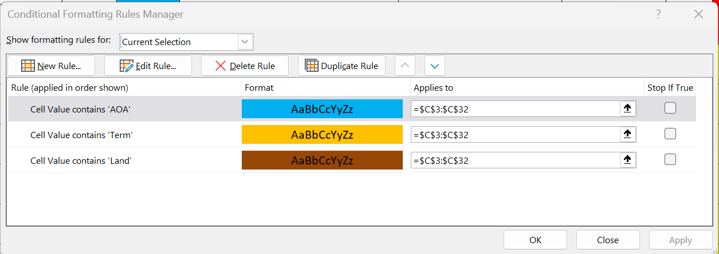
Open Date: Date the item started to be tracked. The cell must be formatted as DD/MM/YYYY. This item is used in tracking the Aging Days.
Aging Days: How many days since item Open Date. Formula =$B$1-H3 ($B$1 is the cell for Todays Date; H3 is the cell for Open Date). These cells use Conditional Formatting Rules; the values can be adjusted as required by the user:
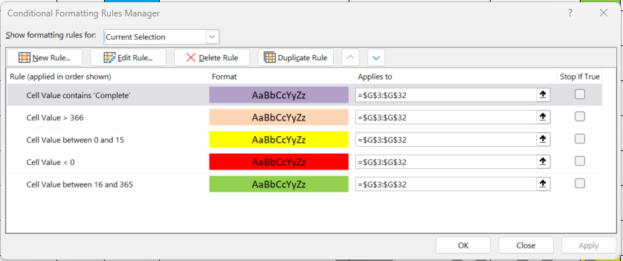
Due Date: Date completion of the item is expected by. The cell must be formatted as DD/MM/YYYY
Countdown: How many days until the Due Date. Formula =J3-$B$1 (J3 is the cell for Due Date; $B$1 is the cell for Today's Date). These cells use Conditional Formatting Rules; the values can be adjusted as required by the user:
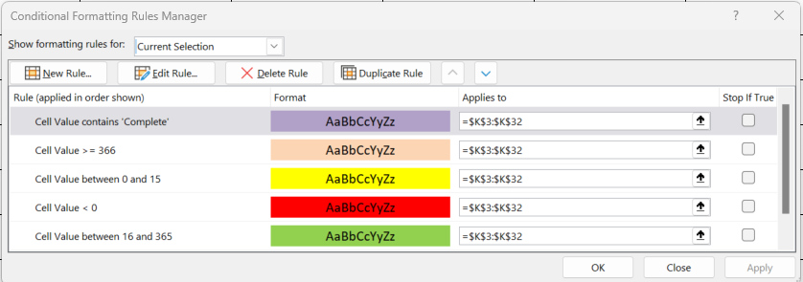
Open or Closed: State if item is Open or Closed. These cells use Conditional Formatting Rules as follows:
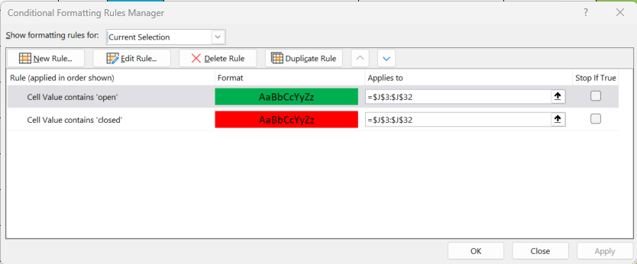
Closed Date: Date item was resolved.
Comments: Pertinent comment on resolution or lack of resolution of the item.
After-Action Reports Improvement Opportunity Tracking, Closed Items
A second spreadsheet is included that can be used to record the completed items. Once items are documented as completed in the Action Items sheet, the sheet row documenting the item can be CUT and PASTE into the Closed Items sheet. If the Values (v) Paste option is used, only the final result numbers will be pasted and not the changing formulas.

